SAVE THE DUCK
 |  |  |  |  |  |  | € 167,698.80 |  | € 419,247.00 | 2,253
PICTURE | BRAND | CATEGORY | GENDER | ARTICLE | COLOR | WHS | TTL WHS | RRP | TTL RRP | QTY | XXS | XS | S | M | L | XL | XXL | 3XL | 4XL | 3XS
 | SAVE TH DUCK | GIUBBINO | UOMO | POPE20 D23123M | 90000 | 75.60 € | 9,450.00 € | 189.00 € | 23,625.00 € | 125 |  |  | 3 | 49 |  | 29 | 44
 | SAVE TH DUCK | TRANCH | UOMO | GRIN20 D42137 | 90010 | 119.60 € | 3,946.80 € | 299.00 € | 9,867.00 € | 33 |  |  | 21 |  | 12
 | SAVE TH DUCK | TRANCH | UOMO | GRIN20 D42137 | 40019 | 119.60 € | 2,392.00 € | 299.00 € | 5,980.00 € | 20 |  |  |  | 20
 | SAVE TH DUCK | BERMUDA | UOMO | RETY20 JF2273X | 90000 | 39.60 € | 831.60 € | 99.00 € | 2,079.00 € | 21 |  |  |  |  |  | 5 | 5 | 5 | 6
 | SAVE TH DUCK | BERMUDA | UOMO | RETY20 JF2273X | 0 | 39.60 € | 316.80 € | 99.00 € | 792.00 € | 8 | 1 | 1 | 1 | 1 | 1 |  | 1 | 1 | 1
 | SAVE TH DUCK | BERMUDA | UOMO | RETY20 JF2273X | 100038 | 39.60 € | 198.00 € | 99.00 € | 495.00 € | 5 |  |  |  |  | 1 | 1 | 1 | 1 | 1
 | SAVE TH DUCK | BERMUDA | UOMO | RETY20 JF2273X | 10000 | 39.60 € | 79.20 € | 99.00 € | 198.00 € | 2 |  |  |  |  |  |  |  | 1 | 1
 | SAVE TH DUCK | BERMUDA | UOMO | RETY20 JF2273X | 40034 | 39.60 € | 39.60 € | 99.00 € | 99.00 € | 1 |  |  |  |  |  | 1
 | SAVE TH DUCK | BERMUDA | UOMO | RETY20 JF2273X | 80000 | 39.60 € | 118.80 € | 99.00 € | 297.00 € | 3 |  |  | 1 |  | 2
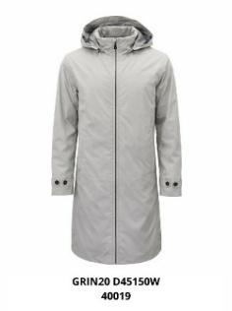 | SAVE TH DUCK | TRANCH | DONNA | GRIN20 D45150W | 40019 | 119.60 € | 717.60 € | 299.00 € | 1,794.00 € | 6 |  |  |  | 1 | 2 | 2 | 1
 | SAVE TH DUCK | BERMUDA | DONNA | POBY20 DB2191W | 50028 | 43.60 € | 1,177.20 € | 109.00 € | 2,943.00 € | 27 |  |  |  | 18 | 9
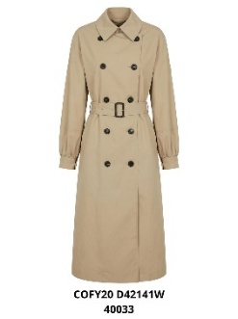 | SAVE TH DUCK | TRANCH | DONNA | COFY20 D42141W | 40033 | 135.60 € | 406.80 € | 339.00 € | 1,017.00 € | 3 |  |  |  | 3
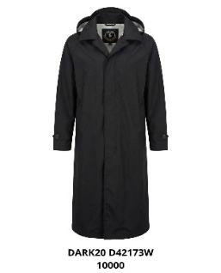 | SAVE TH DUCK | TRANCH | DONNA | COFY20 D42141W | 10000 | 135.60 € | 1,491.60 € | 339.00 € | 3,729.00 € | 11 |  |  | 6 | 3 | 1 | 1
 | SAVE TH DUCK | PANTALONE | DONNA | POBY20DP1664W | 50028 | 59.60 € | 3,218.40 € | 149.00 € | 8,046.00 € | 54 |  | 9 | 27 |  | 3 | 14 | 1
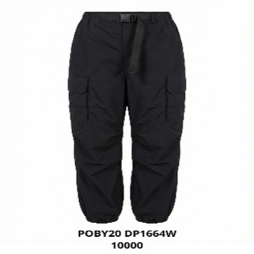 | SAVE TH DUCK | PANTALONE | DONNA | POBY20DP1664W | 10000 | 59.60 € | 953.60 € | 149.00 € | 2,384.00 € | 16 |  | 4 | 5 | 7
 | SAVE TH DUCK | TRANCH | DONNA | DARK20 D42173W | 90010 | 159.60 € | 957.60 € | 399.00 € | 2,394.00 € | 6 |  |  |  | 3 | 3
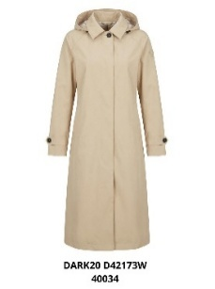 | SAVE TH DUCK | TRANCH | DONNA | DARK20 D42173W | 40034 | 159.60 € | 5,266.80 € | 399.00 € | 13,167.00 € | 33 |  | 23 |  | 4 | 6
 | SAVE TH DUCK | TRANCH | DONNA | DARK20 D42173W | 70040 | 159.60 € | 7,820.40 € | 399.00 € | 19,551.00 € | 49 |  | 20 |  | 23 | 6
 | SAVE TH DUCK | BERMUDA | UOMO | POPEDF2205M | 10000 | 39.60 € | 1,108.80 € | 99.00 € | 2,772.00 € | 28 |  |  |  | 28
 | SAVE TH DUCK | BERMUDA | UOMO | POPEDF2205M | 50028 | 39.60 € | 4,633.20 € | 99.00 € | 11,583.00 € | 117 |  |  | 18 | 43 | 43 | 9 |  | 4
 | SAVE TH DUCK | GIACCA | UOMO | POPE20D32069M | 90000 | 79.60 € | 1,990.00 € | 199.00 € | 4,975.00 € | 25 |  |  |  | 25
 | SAVE TH DUCK | BERMUDA | UOMO | POPE20 DI2281M | 50028 | 47.60 € | 952.00 € | 119.00 € | 2,380.00 € | 20 |  |  |  | 20
 | SAVE TH DUCK | BERMUDA | UOMO | POPE20 DI2281M | 90000 | 47.60 € | 809.20 € | 119.00 € | 2,023.00 € | 17 |  |  |  |  |  | 13 | 3 | 1
 | SAVE TH DUCK | BERMUDA | UOMO | POPE20 DI2281M | 10038 | 47.60 € | 142.80 € | 119.00 € | 357.00 € | 3 |  | 3
 | SAVE TH DUCK | GIUBBINO | DONNA | POBY20 D32104W | 21483 | 75.60 € | 529.20 € | 189.00 € | 1,323.00 € | 7 |  |  |  | 2 |  | 5
 | SAVE TH DUCK | GILET | UOMO | POPE20 D82206M | 10034 | 55.60 € | 2,446.40 € | 139.00 € | 6,116.00 € | 44 |  | 1 | 4 | 10 | 17 | 10 | 2
 | SAVE TH DUCK | GILET | UOMO | POPE20 D82206M | 50028 | 55.60 € | 1,668.00 € | 139.00 € | 4,170.00 € | 30 |  |  |  | 30
 | SAVE TH DUCK | GILET | UOMO | POPE20 D82206M | 90000 | 55.60 € | 1,556.80 € | 139.00 € | 3,892.00 € | 28 |  |  |  |  |  | 28
 | SAVE TH DUCK | GILET | UOMO | POPE20 D82206M | 40015 | 55.60 € | 1,445.60 € | 139.00 € | 3,614.00 € | 26 |  |  | 6 |  | 10 | 10
 | SAVE TH DUCK | GILET | UOMO | POPE20 D82206M | 10038 | 55.60 € | 1,445.60 € | 139.00 € | 3,614.00 € | 26 |  | 2 | 7 | 10 | 6 | 1
 | SAVE TH DUCK | PANTALONE | DONNA | POPE20 DP2190W | 50028 | 59.60 € | 178.80 € | 149.00 € | 447.00 € | 3 |  |  |  | 1 | 1 | 1
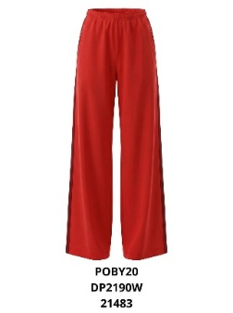 | SAVE TH DUCK | PANTALONE | DONNA | POPE20 DP2190W | 21483 | 59.60 € | 2,145.60 € | 149.00 € | 5,364.00 € | 36 |  |  |  | 18 | 18
 | SAVE TH DUCK | PANTALONE | DONNA | POPE20 DP2190W | 21612 | 59.60 € | 2,205.20 € | 149.00 € | 5,513.00 € | 37 |  |  | 17 | 17 | 3
 | SAVE TH DUCK | PANTALONE | DONNA | POPE20 DP2190W | 21484 | 59.60 € | 1,013.20 € | 149.00 € | 2,533.00 € | 17 |  |  | 17
 | SAVE TH DUCK | PANTALONE | DONNA | RETY20 DF0066W | 90000 | 55.60 € | 8,006.40 € | 139.00 € | 20,016.00 € | 144 |  | 37 | 37 | 28 | 22 |  | 12 | 8
 | SAVE TH DUCK | PANTALONE | DONNA | RETY20 DF0066W | 40019 | 55.60 € | 3,336.00 € | 139.00 € | 8,340.00 € | 60 |  | 23 | 17 | 20
 | SAVE TH DUCK | PANTALONE | DONNA | RETY20 DF0066W | 80000 | 55.60 € | 1,779.20 € | 139.00 € | 4,448.00 € | 32 |  |  | 13 | 9 | 9 | 1
 | SAVE TH DUCK | PANTALONE | DONNA | RETY20 DF0066W | 40001 | 55.60 € | 389.20 € | 139.00 € | 973.00 € | 7 |  | 7
 | SAVE TH DUCK | PANTALONE | DONNA | RETY20 DF0066W | 0 | 55.60 € | 1,334.40 € | 139.00 € | 3,336.00 € | 24 |  | 4 | 5 | 6 | 5 | 4
 | SAVE TH DUCK | PANTALONE | DONNA | RETY20 DF0066W | 10000 | 55.60 € | 1,112.00 € | 139.00 € | 2,780.00 € | 20 |  |  |  |  |  | 20
 | SAVE TH DUCK | PANTALONE | DONNA | RETY20 DF0066W | 70040 | 55.60 € | 778.40 € | 139.00 € | 1,946.00 € | 14 |  |  | 5 | 3 | 4 | 2
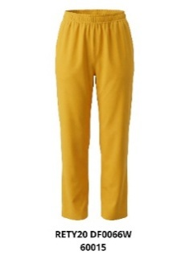 | SAVE TH DUCK | PANTALONE | DONNA | RETY20 DF0066W | 600015 | 55.60 € | 389.20 € | 139.00 € | 973.00 € | 7 |  |  | 3 | 2 | 2
 | SAVE TH DUCK | PANTALONE | UOMO | RETY20 DF0058M | 90000 | 51.60 € | 7,069.20 € | 129.00 € | 17,673.00 € | 137 |  |  |  |  | 7 | 82 | 44 | 4
 | SAVE TH DUCK | PANTALONE | UOMO | RETY20 DF0058M | 10000 | 51.60 € | 5,108.40 € | 129.00 € | 12,771.00 € | 99 |  | 5 | 35 | 26 | 16 | 17
 | SAVE TH DUCK | PANTALONE | UOMO | RETY20 DF0058M | 50030 | 51.60 € | 1,032.00 € | 129.00 € | 2,580.00 € | 20 |  |  |  | 5 | 9 | 6
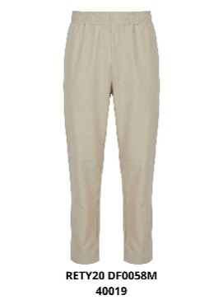 | SAVE TH DUCK | PANTALONE | UOMO | RETY20 DF0058M | 40019 | 51.60 € | 567.60 € | 129.00 € | 1,419.00 € | 11 |  |  |  |  | 5 | 3 | 2 | 1
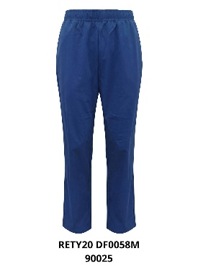 | SAVE TH DUCK | PANTALONE | UOMO | RETY20 DF0058M | 90025 | 51.60 € | 1,032.00 € | 129.00 € | 2,580.00 € | 20 |  |  | 3 | 7 | 4 | 4 | 1 | 1
 | SAVE TH DUCK | GIUBBINO | DONNA | POBY201951W | 50028 | 67.60 € | 1,216.80 € | 169.00 € | 3,042.00 € | 18 |  | 18
 | SAVE TH DUCK | GIUBBINO | DONNA | POBY201951W | 10038 | 67.60 € | 6,084.00 € | 169.00 € | 15,210.00 € | 90 |  | 33 | 1 | 41 | 1 | 14
 | SAVE TH DUCK | GIUBBINO | DONNA | POBY201951W | 500258 | 67.60 € | 1,216.80 € | 169.00 € | 3,042.00 € | 18 |  | 18
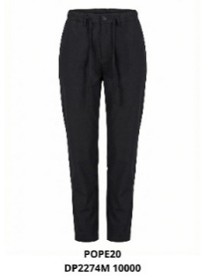 | SAVE TH DUCK | PANTALONE | DONNA | POPE20 DP2274M | 10000 | 59.60 € | 2,503.20 € | 149.00 € | 6,258.00 € | 42 |  |  |  |  | 21 | 21
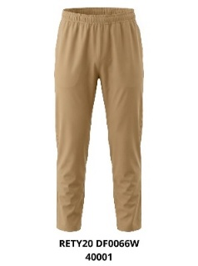 | SAVE TH DUCK | PANTALONE | UOMO | RETY20 DF0058M | 40001 | 51.60 € | 619.20 € | 129.00 € | 1,548.00 € | 12 |  |  | 2 | 4 | 3 | 2 | 1
 | SAVE TH DUCK | TRANCH | DONNA | GRIN20 D43090W | 40015 | 131.60 € | 8,159.20 € | 329.00 € | 20,398.00 € | 62 |  | 19 | 20 | 16 | 3 | 4
 | SAVE TH DUCK | TRANCH | DONNA | GRIN20 D43090W | 40034 | 131.60 € | 2,632.00 € | 329.00 € | 6,580.00 € | 20 |  | 10 | 6 |  | 4
 | SAVE TH DUCK | TRANCH | DONNA | GRIN20 D43090W | 90005 | 131.60 € | 2,368.80 € | 329.00 € | 5,922.00 € | 18 |  | 1 | 3 | 4 | 8 | 2
 | SAVE TH DUCK | TRANCH | DONNA | GRIN20 D43090W | 10000 | 131.60 € | 5,264.00 € | 329.00 € | 13,160.00 € | 40 |  |  | 18 | 6 | 16
 | SAVE TH DUCK | TRANCH | UOMO | COFY20 D41575M | 90000 | 131.60 € | 20,661.20 € | 329.00 € | 51,653.00 € | 157 |  | 2 | 17 | 40 | 62 | 16 | 20
 | SAVE TH DUCK | TRANCH | UOMO | COFY20 D41575M | 40033 | 131.60 € | 11,580.80 € | 329.00 € | 28,952.00 € | 88 |  |  |  | 40 | 8 | 40
 | SAVE TH DUCK | PANTALONE | DONNA | RETY20 JF2213X | 50030 | 47.60 € | 714.00 € | 119.00 € | 1,785.00 € | 15 |  |  |  | 3 | 3 | 4 | 3 | 2
 | SAVE TH DUCK | PANTALONE | DONNA | RETY20 JF2213X | 80000 | 47.60 € | 285.60 € | 119.00 € | 714.00 € | 6 |  |  | 1 | 1 | 1 | 1 | 1 | 1
 | SAVE TH DUCK | PANTALONE | DONNA | RETY20 JF2213X | 60015 | 47.60 € | 523.60 € | 119.00 € | 1,309.00 € | 11 |  | 2 | 2 | 1 | 2 | 2 | 2
 | SAVE TH DUCK | PANTALONE | DONNA | RETY20 JF2213X | 10038 | 47.60 € | 2,094.40 € | 119.00 € | 5,236.00 € | 44 |  | 10 | 8 |  | 9 | 11 | 6
 | SAVE TH DUCK | PANTALONE | DONNA | RETY20 JF2213X | 40034 | 47.60 € | 999.60 € | 119.00 € | 2,499.00 € | 21 | 1 | 1 | 1 | 2 | 3 | 4 | 4 | 4 |  | 1
 | SAVE TH DUCK | PANTALONE | DONNA | RETY20 JF2213X | 90000 | 47.60 € | 1,285.20 € | 119.00 € | 3,213.00 € | 27 |  |  |  | 20 | 7
 | SAVE TH DUCK | PANTALONE | DONNA | RETY20 JF2213X | 0 | 47.60 € | 1,047.20 € | 119.00 € | 2,618.00 € | 22 |  |  |  |  | 7 | 3 | 6 | 6
 | SAVE TH DUCK | PANTALONE | DONNA | RETY20 JF2213X | 90025 | 47.60 € | 2,856.00 € | 119.00 € | 7,140.00 € | 60 | 3 | 7 | 7 | 19 | 14 | 8 |  |  |  | 2

